Sheet1
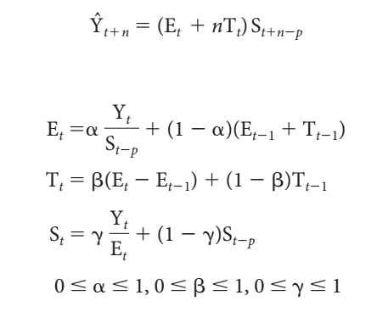
 |  | Time | Actual Claims | Base level Et | Trend Factor Tt | Seasonal Factor St | Forecast |  | alpha | 0.12996395781
Year | Month | Period |  |  |  |  |  |  | beta | 0.30987738044 | MSE | 1859308.4397
2004 | 1 | 1 | $10,159 | -- | -- | $0.745 |  |  | gamma | 0.5
 | 2 | 2 | $11,175 | -- | -- | $0.819
 | 3 | 3 | $12,310 | -- | -- | $0.903 |  | 31.a | The optimal values of alpha, beta and gamma are obtained in the table above.
 | 4 | 4 | $12,446 | -- | -- | $0.913
 | 5 | 5 | $13,213 | -- | -- | $0.969
Comparision of original data and predicted data
 | Actual Claims | Forecast
 | $10,159
 | $11,175
 | $12,310
 | $12,446
 | $13,213
 | $16,412
 | $17,405
 | $14,233
 | $14,606
 | $12,969
 | $13,980
 | $14,755
 | $12,300 | 10159
 | $13,224 | 11575.92839
 | $13,606 | 13165.188028
 | $13,659 | 13566.064267
 | $16,442 | 14628.562786
 | $17,334 | 18819.118805
 | $19,605 | 20067.278409
 | $18,997 | 16602.677694
 | $15,971 | 17704.118017
 | $15,740 | 15766.032969
 | $16,919 | 17255.62849
 | $18,931 | 18430.579721
 | 6 | 6 | $16,412 | -- | -- | $1.203
 | 7 | 7 | $17,405 | -- | -- | $1.276
 | 8 | 8 | $14,233 | -- | -- | $1.044
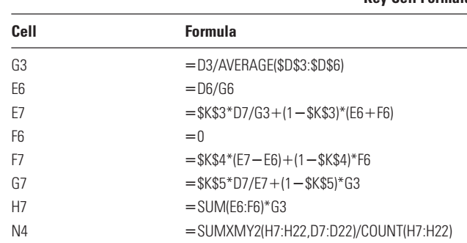
 | 9 | 9 | $14,606 | -- | -- | $1.071
 | 10 | 10 | $12,969 | -- | -- | $0.951
 | 11 | 11 | $13,980 | -- | -- | $1.025
 | 12 | 12 | $14,755 | $13,639 | 0 | $1.082
2005 | 1 | 13 | $12,300 | $14,012.14 | $115.76 | $0.81 | $10,159
 | 2 | 14 | $13,224 | $14,389.31 | $196.76 | $0.87 | $11,576
 | 3 | 15 | $13,606 | $14,649.54 | $216.43 | $0.92 | $13,165
 | 4 | 16 | $13,659 | $14,879.21 | $220.53 | $0.92 | $13,566
 | 5 | 17 | $16,442 | $15,343.01 | $295.92 | $1.02 | $14,629
 | 6 | 18 | $17,334 | $15,478.53 | $246.21 | $1.16 | $18,819
 | 7 | 19 | $19,605 | $15,677.67 | $231.63 | $1.26 | $20,067
 | 8 | 20 | $18,997 | $16,207.48 | $324.02 | $1.11 | $16,603
 | 9 | 21 | $15,971 | $16,321.18 | $258.85 | $1.02 | $17,704
 | 10 | 22 | $15,740 | $16,576.47 | $257.75 | $0.95 | $15,766 | 31.b | The line graph comparing the predictions against the original data is given above.
 | 11 | 23 | $16,919 | $16,791.53 | $244.52 | $1.02 | $17,256
 | 12 | 24 | $18,931 | $17,096.17 | $263.15 | $1.09 | $18,431
2006 | 1 | 25 | -- |  |  |  | $14,084.33
 | 2 | 26 | -- |  |  |  | $15,317.30 | 31.c | The forecast for each month in 2006 using this technique is given in the table above in Forecast column in red text.
 | 3 | 27 | -- |  |  |  | $16,377.44
 | 4 | 28 | -- |  |  |  | $16,611.12
 | 5 | 29 | -- |  |  |  | $18,784.06
 | 6 | 30 | -- |  |  |  | $21,693.19

